CEA
CML Customer's Name |  | Deltec, DE, Furth | Issued by Factory Engineer | Kyle.Wang
CML Customer's P/N |  | 35821918 | Factory P/N | JB6C061TB0
CML P/N |  | 06R005455.D00 | Date | 2022-08-22

Customer Engineering Approval
The changes listed below have been approved by the customer through the technical queries before the production start of the samples.
Choosen Base Material |  | Shengyi S1000-2M | Choosen Solder Mask | Taiyo PSR4000MH Green Matt

No | Description of the Problem/picture | Suggestion/Proposal | Customer Response | EQ Status
 | This is a ECN order from 35821860,all the approved EQs during previous version（35821860）will be applied to this PN
1 |  About the PDF file of GER_SS_114-18910_C | suggestion： We‘ll ignore the file except for 3.0+/-0.05MM | CML MN: confirmed, same as before
2 | For some informations are not related to PCB manufacture in PDF | We'll ignore them as previous version | CML MN: confirmed, same as before
3 | For some requirement which is out of our capability | We'll relax it just like previous version | CML MN: follow previous version, +/-0.075mm hole to hole tolerance
4 | 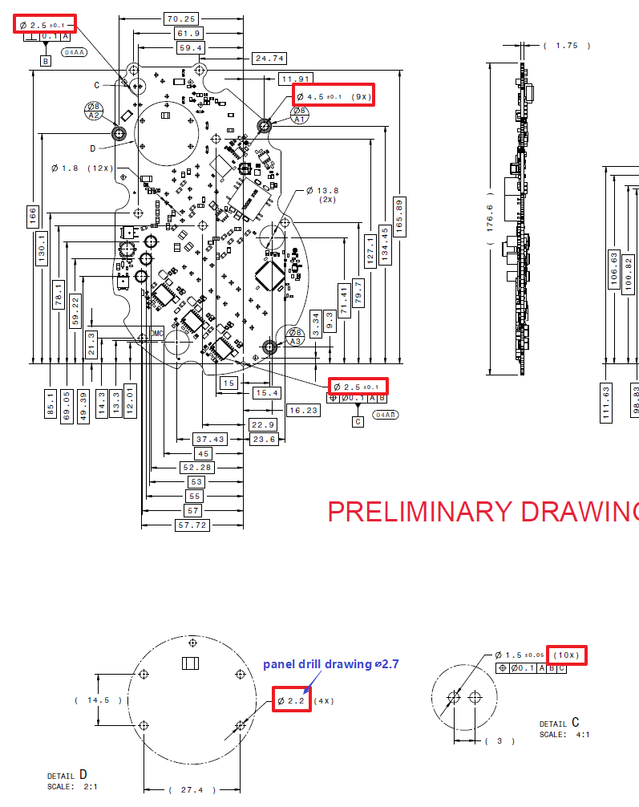 The hole number&tolerance&dimension in PCS drawing mismatch drill drawing | 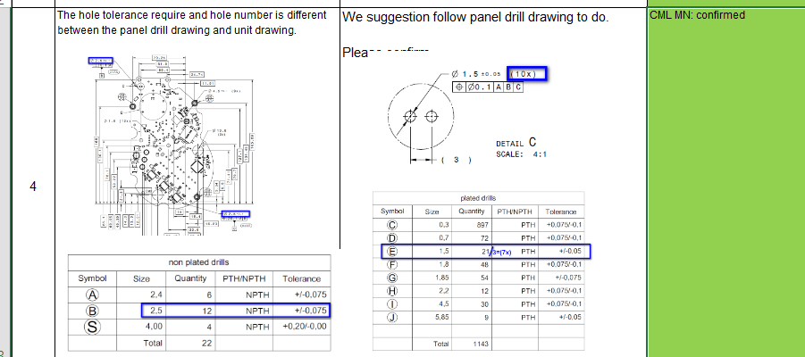 we'll follow drill drawing to build | CML MN: confirmed, same as before
5 |  Some dimensions of DMC did not exist on board | we'll not measure these dimensions | CML MN: confirmed, same as before, no markings, repair or defects of copper and soldermask in this area
 | All the approved EQs below during previous version（35821803）will be applied to this PN
6 | 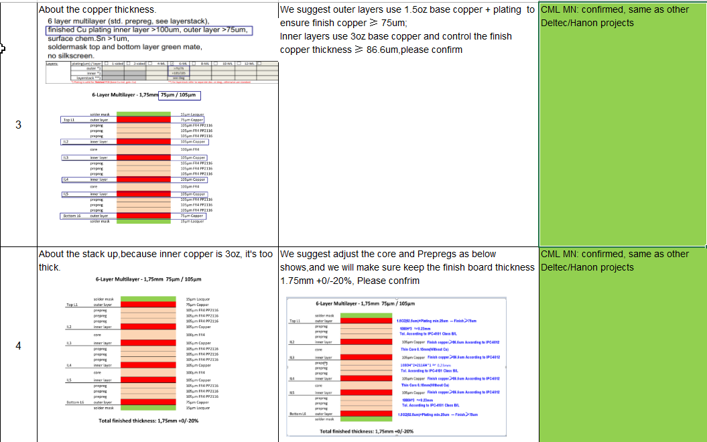 About the finished copper and stack-up | we'll follow previous version to build | CML MN: confirmed, same as before
7 | 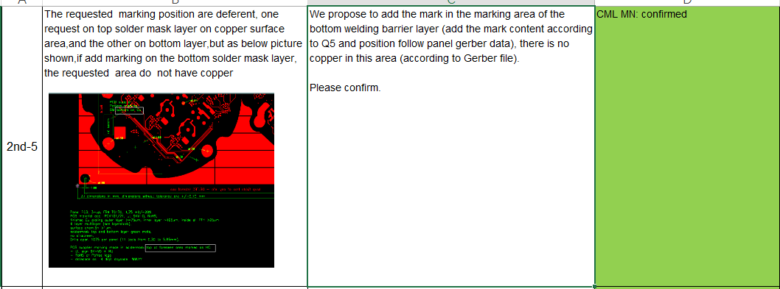 the area for marking is on bottom not top layer | we'll place markings on bot layer | CML MN: confirmed, same as before
8 | 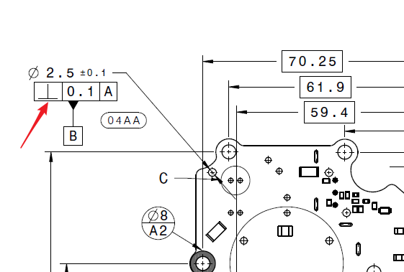 About the perpendicularity | We'll ignore it just like previous version | CML MN: confirmed, same as before
9 | For the test parameter | we'll ignore it | CML MN: confirmed, same as before
Date |  |  | Customer's Signature
22.08.2022 |  |  | CML: M.Neeff Deltec: C.Brandl

